Лист1
Title: | Translated word is not correct. | Attachment
Bug ID: | TC_trW_01 | 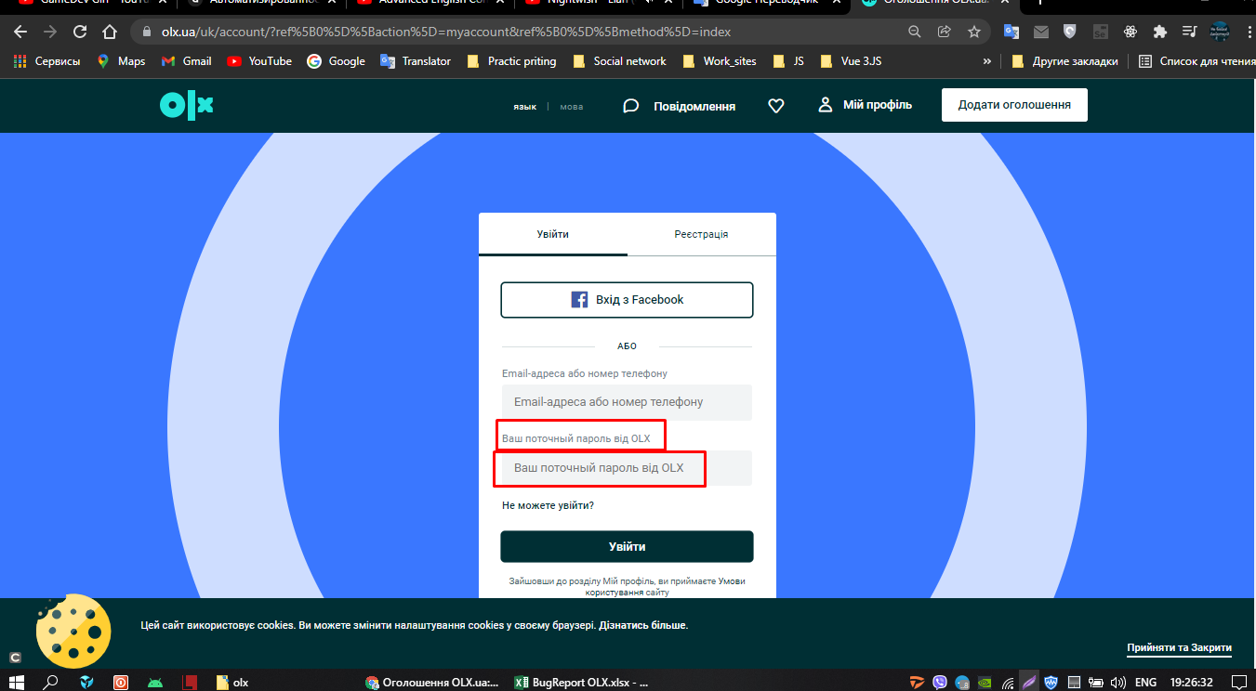
Severity: | Low

Test Title: | Registration of a new customer with valid data
Description: | The word "Текущий" is not translated correctly. The word "streaming" with the letter "ы" is displayed.

Pre-conditions: | URL : https://www.olx.ua/uk/ User is not registered.
Designed by: | Lutsenko D.
Test Designed date: | 2022-01-01
Enwiroment: | Windows 10, Chrome, Firefox

 | Step | Expected Result | Actual Result
1 | 1. Click on "Мой пофиль". | The registration page opens. The entire page is displayed translated into Ukrainian. | The word "Текущий" is not translated correctly. The word "streaming" with the letter "ы" is displayed.
2 | 2. To change the language on the site at the top of the ribbon, click on "мова".

